Sheet1
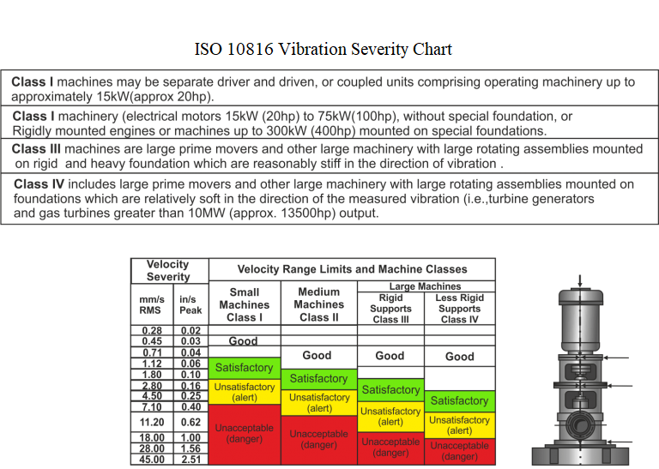
 | Rangkuman Pengukuran menggunakan Vibration Meter VB-8200 (sampling time = 1s)
 | Normal | Misalignment | Unbalance 24g.cm | Unbalance 6g.cm | Bearing Fault
Velocity rata-rata (mm/s) | 0.63 | 27.54 | 13.36 | 4.00 | 1.18
Status | Good | Unacceptable (danger) | Unacceptable (danger) | Unsatisfactory (alert) | Satisfactory

No | Data Pengukuran Getaran Pompa (mm/s)
 | Normal | Misalignment | Unbalance 24g.cm | Unbalance 6g.cm | Bearing Fault
1 | 0.6 | 27.5 | 13.7 | 4 | 1.2
2 | 0.6 | 27.5 | 13.7 | 4 | 1.2
3 | 0.6 | 27.5 | 13.7 | 4 | 1.2
4 | 0.6 | 27.5 | 13.7 | 4 | 1.2
5 | 0.6 | 27.5 | 13.7 | 4 | 1.2
6 | 0.6 | 27.5 | 13.7 | 4 | 1.2
7 | 0.6 | 27.5 | 13.7 | 4 | 1.2
8 | 0.6 | 27.5 | 13.7 | 4 | 1.2
9 | 0.6 | 27.5 | 13.5 | 4 | 1.2
10 | 0.6 | 27.5 | 13.5 | 4 | 1.2
11 | 0.6 | 27.5 | 13.5 | 4 | 1.2
12 | 0.6 | 27.5 | 13.5 | 4 | 1.2
13 | 0.6 | 27.5 | 13.5 | 4 | 1.2
14 | 0.6 | 27.5 | 13.4 | 4 | 1.2
15 | 0.6 | 27.5 | 13.4 | 4 | 1.2
16 | 0.6 | 27.5 | 13.4 | 4 | 1.2
17 | 0.6 | 27.5 | 13.4 | 4 | 1.2
18 | 0.6 | 27.5 | 13.4 | 4 | 1.2
19 | 0.6 | 27.5 | 13.4 | 4 | 1.2
20 | 0.6 | 27.5 | 13.4 | 4 | 1.2
21 | 0.6 | 27.5 | 13.4 | 4 | 1.2
22 | 0.6 | 27.5 | 13.4 | 4 | 1.2
23 | 0.6 | 27.5 | 13.4 | 4 | 1.2
24 | 0.6 | 27.5 | 13.4 | 4 | 1.2
25 | 0.6 | 27.5 | 13.3 | 4 | 1.2
26 | 0.6 | 27.5 | 13.3 | 4 | 1.2
27 | 0.6 | 27.5 | 13.3 | 4 | 1.2
28 | 0.6 | 27.5 | 13.3 | 4 | 1.2
29 | 0.6 | 27.5 | 13.3 | 4 | 1.2
30 | 0.6 | 27.5 | 13.3 | 4 | 1.2
31 | 0.7 | 27.5 | 13.3 | 4 | 1.2
32 | 0.7 | 27.5 | 13.3 | 4 | 1.1
33 | 0.7 | 27.5 | 13.3 | 4 | 1.1
34 | 0.7 | 27.5 | 13.3 | 4 | 1.1
35 | 0.7 | 27.5 | 13.3 | 4 | 1.1
36 | 0.7 | 27.5 | 13.3 | 4 | 1.1
37 | 0.7 | 27.5 | 13.3 | 4 | 1.1
38 | 0.7 | 27.5 | 13.3 | 4 | 1.1
39 | 0.7 | 27.5 | 13.3 | 4 | 1.1
40 | 0.7 | 27.5 | 13.3 | 4 | 1.1
41 | 0.7 | 27.5 | 13.3 | 4 | 1.1
42 | 0.7 | 27.5 | 13.3 | 4 | 1.1
43 | 0.7 | 27.5 | 13.3 | 4 | 1.1
44 | 0.7 | 27.5 | 13.3 | 4 | 1.1
45 | 0.7 | 27.5 | 13.3 | 4 | 1.1
46 | 0.7 | 27.5 | 13.3 | 4 | 1.2
47 | 0.7 | 27.5 | 13.3 | 4 | 1.2
48 | 0.7 | 27.5 | 13.3 | 4 | 1.2
49 | 0.7 | 27.5 | 13.3 | 4 | 1.2
50 | 0.7 | 27.5 | 13.3 | 4 | 1.2
51 | 0.7 | 27.5 | 13.3 | 4 | 1.2
52 | 0.7 | 27.5 | 13.3 | 4 | 1.2
53 | 0.7 | 27.5 | 13.3 | 4 | 1.2
54 | 0.7 | 27.5 | 13.3 | 4 | 1.2
55 | 0.7 | 27.5 | 13.3 | 4 | 1.2
56 | 0.6 | 27.5 | 13.3 | 4 | 1.2
57 | 0.6 | 27.6 | 13.3 | 4 | 1.2
58 | 0.6 | 27.6 | 13.3 | 4 | 1.2
59 | 0.6 | 27.6 | 13.3 | 4 | 1.2
60 | 0.6 | 27.6 | 13.3 | 4 | 1.2
61 | 0.6 | 27.6 | 13.3 | 4 | 1.2
62 | 0.6 | 27.6 | 13.3 | 4 | 1.2
63 | 0.6 | 27.6 | 13.3 | 4 | 1.2
64 | 0.6 | 27.6 | 13.3 | 4 | 1.2
65 | 0.6 | 27.6 | 13.3 | 4 | 1.2
66 | 0.6 | 27.6 | 13.3 | 4 | 1.2
67 | 0.6 | 27.6 | 13.3 | 4 | 1.2
68 | 0.6 | 27.6 | 13.3 | 4 | 1.2
69 | 0.6 | 27.6 | 13.3 | 4 | 1.2
70 | 0.6 | 27.6 | 13.3 | 4 | 1.2
71 | 0.6 | 27.6 | 13.3 | 4 | 1.2
72 | 0.6 | 27.6 | 13.3 | 4 | 1.2
73 | 0.6 | 27.6 | 13.3 | 4 | 1.2
74 | 0.6 | 27.6 | 13.3 | 4 | 1.2
75 | 0.6 | 27.6 | 13.3 | 4 | 1.2
76 | 0.6 | 27.6 | 13.3 | 4 | 1.2
77 | 0.6 | 27.6 | 13.3 | 4 | 1.2
78 | 0.6 | 27.6 | 13.3 | 4 | 1.2
79 | 0.6 | 27.6 | 13.3 | 4 | 1.2
80 | 0.6 | 27.6 | 13.3 | 4 | 1.2
81 | 0.6 | 27.6 | 13.3 | 4 | 1.2
82 | 0.6 | 27.6 | 13.3 | 4 | 1.2
83 | 0.6 | 27.6 | 13.3 | 4 | 1.2
84 | 0.6 | 27.6 | 13.3 | 4 | 1.2
85 | 0.6 | 27.6 | 13.3 | 4 | 1.2
86 | 0.6 | 27.6 | 13.3 | 4 | 1.2
87 | 0.6 | 27.6 | 13.3 | 4 | 1.2
88 | 0.6 | 27.6 | 13.3 | 4 | 1.2
89 | 0.6 | 27.6 | 13.3 | 4 | 1.2
90 | 0.6 | 27.6 | 13.3 | 4 | 1.2
91 | 0.6 | 27.6 | 13.3 | 4 | 1.2
92 | 0.6 | 27.6 | 13.3 | 4 | 1.1
93 | 0.6 | 27.6 | 13.3 | 4 | 1.1
94 | 0.6 | 27.6 | 13.3 | 4 | 1.1
95 | 0.6 | 27.6 | 13.3 | 4 | 1.1
96 | 0.6 | 27.6 | 13.3 | 4 | 1.1
Rata-rata | 0.63 | 27.54 | 13.36 | 4.00 | 1.18

